Exercise 1
 |  |  | Profit |  | Exercise 1: Tables and Chairs
Profit Contribution | 30 | 15 | 5062.5

 | Tables(X1) | Chairs(X2)
 | 75 | 187.5
 |  |  | Used | Available
Wood | 24 | 16 | 4800 | 4800
Labor | 5 | 2 | 750 | 750
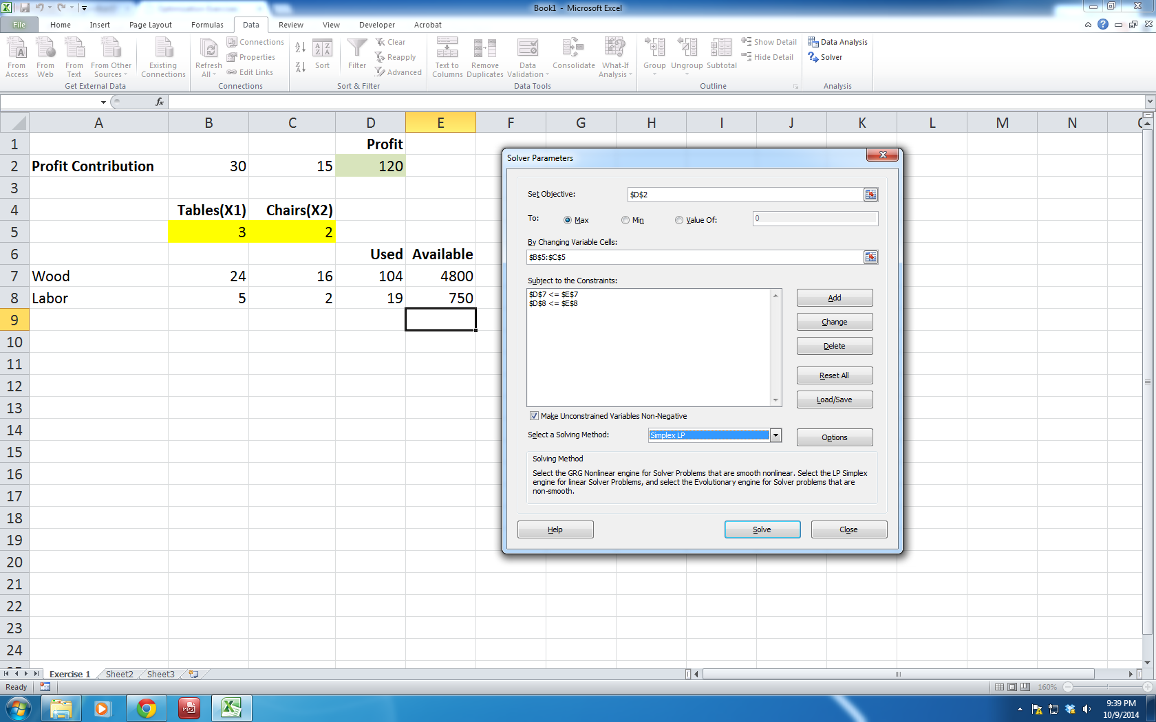

 |  |  |  |  | This is a screenshot of the solver dialogbox on the left. You can enlarge the image
 |  |  |  |  | to see clearly how I filled in the constraints.

Exercise 2
 |  |  |  |  |  |  | Exercise 2: Scheduling

 | Number of employees starting at
 | 0:00:00 | 4:00:00 | 8:00:00 | 12:00:00 | 16:00:00 | 20:00:00 |  | Total
 | X1 | X2 | X3 | X4 | X5 | X6 |  | Employees
 | 6 | 3 | 9 | 1 | 17 | 0 |  | 36

 |  |  |  |  |  |  | Available | Needed
12-4 AM | 1 |  |  |  |  | 1 | 6 | 6
4-8 AM | 1 | 1 |  |  |  |  | 9 | 9
8-12 AM |  | 1 | 1 |  |  |  | 12 | 12
12-4 PM |  |  | 1 | 1 |  |  | 10 | 10
4-8 PM |  |  |  | 1 | 1 |  | 18 | 18
8-12 PM |  |  |  |  | 1 | 1 | 17 | 14
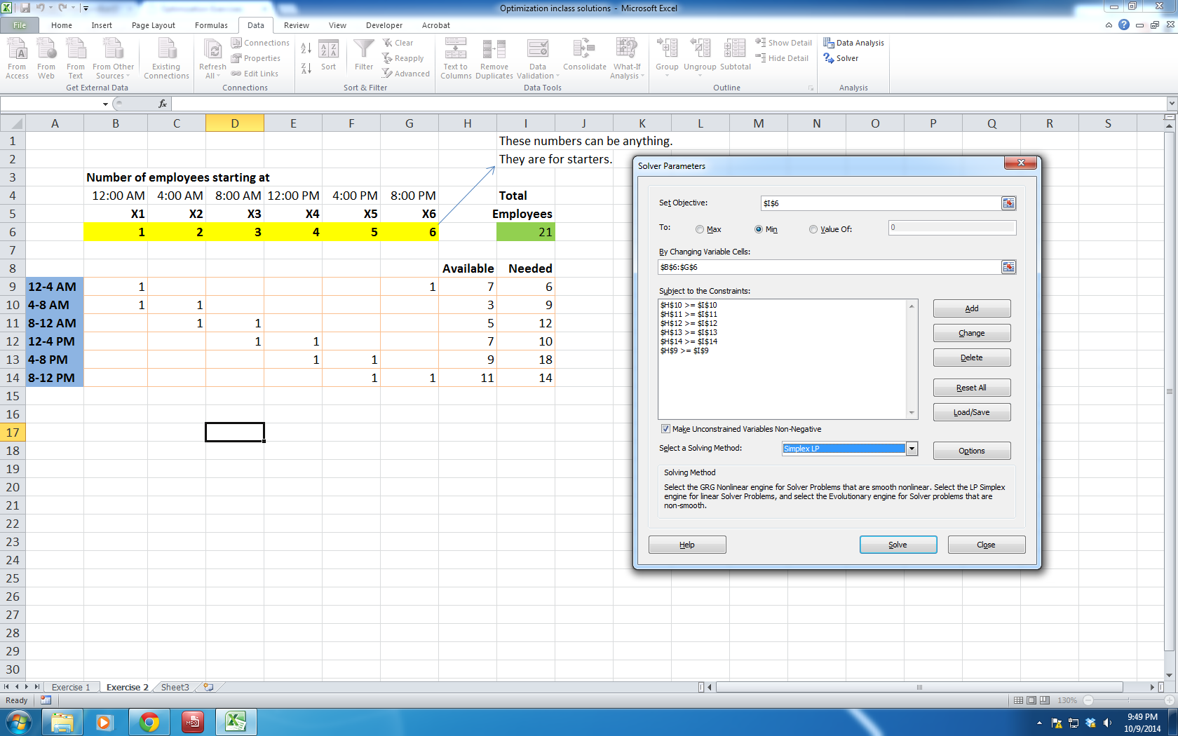
 |  |  |  |  |  |  |  |  | This is a screenshot of the solver dialogbox on the left. You can enlarge the image
 |  |  |  |  |  |  |  |  | to see clearly how I filled in the constraints.

Exercise 3
 |  |  |  | Exercise 3: Transportation
 | The Xs represent the number of units shipped from each factory to each warehouse.
 |  |  |  |  | These numbers are made up to start with.
 | Number shipped from each factory to each warehouse
X1a, X1b, X1c | 1000 | 0 | 0
X2a, X2b, X2c | 1000 | 0 | 500 |  |  | Click on the screenshot image below and expand to see
X3a, X3b, X3c | 0 | 2000 | 500 |  |  | how constraints were defined.
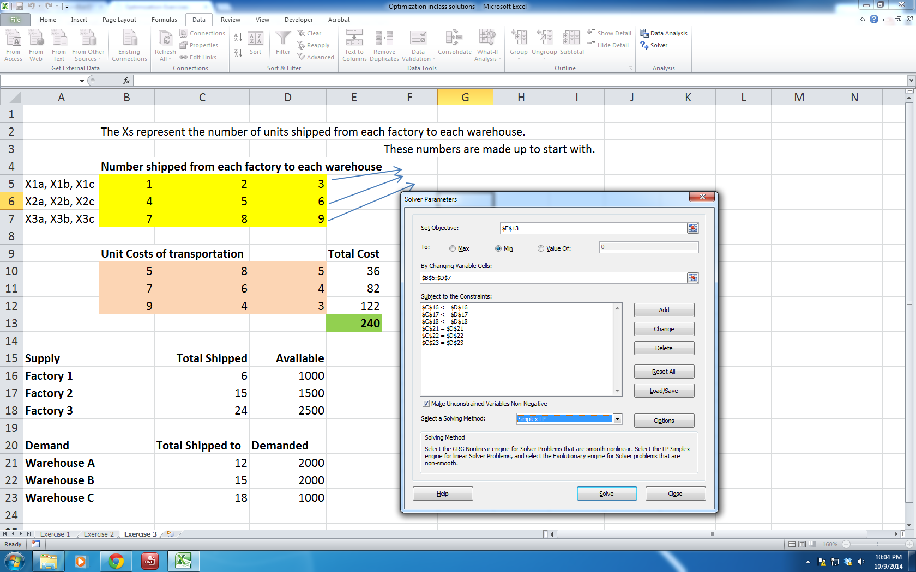
 | Unit Costs of transportation |  |  | Total Cost
 | 5 | 8 | 5 | 5000
 | 7 | 6 | 4 | 9000
 | 9 | 4 | 3 | 9500
 |  |  |  | 23500

Supply |  | Total Shipped | Available
Factory 1 |  | 1000 | 1000
Factory 2 |  | 1500 | 1500
Factory 3 |  | 2500 | 2500

Demand |  | Total Shipped to | Demanded
Warehouse A |  | 2000 | 2000
Warehouse B |  | 2000 | 2000
Warehouse C |  | 1000 | 1000

